tc_webapp_homepage
TEST CASE FOR E-COMMERCE WEB APP HOME PAGE
S NO | TEST CASE ID | OBJECTIVE | PRE REQUISITE | STEPS | TEST DATA | EXPECTED RESULT | ACTUAL RESULT | SCREENSHOTS/PROOF | STATUS
1 | TC_ECOM_WEBAPP_HOME_01 | To Verify and validate home page loads successfully on chrome | https://www.automationexercise.com/ browser | 1. Open browser 2. Enter URL 3. Press Enter | https://www.automationexercise.com/ | Home page should load without any errors | working as expected | 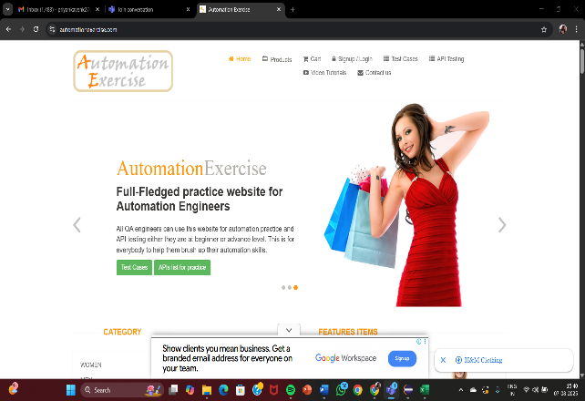 | pass
2 | TC_ECOM_WEBAPP_HOME_02 | To Verify and validate home page loads successfully on edge | https://www.automationexercise.com/,browser | 1. Open browser 2. Enter URL 3. Press Enter | https://www.automationexercise.com/ | Home page should load without any errors | working as expected | 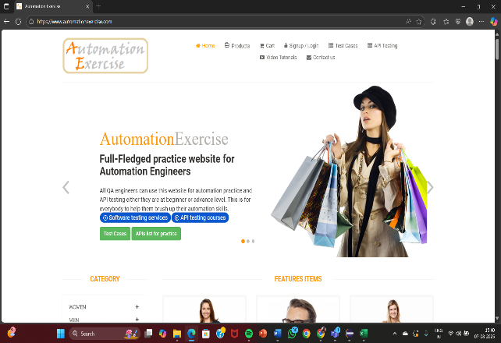 | pass
3 | TC_ECOM_WEBAPP_HOME_03 | To Verify and validate home page loads successfully on Firefox | https://www.automationexercise.com/,browser | 1. Open browser 2. Enter URL 3. Press Enter | https://www.automationexercise.com/ | Home page should load without any errors | working as expected | NOT APPLICABLE | pass
4 | TC_ECOM_WEBAPP_HOME_04 | To Verify and validate Login page loads successfully on brave | https://www.automationexercise.com/, browser | 1. Open browser 2. Enter URL 3. Press Enter | https://www.automationexercise.com/ | Home page should load without any errors | working as expected | NOT APPLICABLE | pass
5 | TC_ECOM_WEBAPP_HOME_05 | To Verify and validate the display and clickability of the company logo | Home page | 1. Locate logo 2. Click logo | https://www.automationexercise.com/ | It should redirect to home page | working as expected | 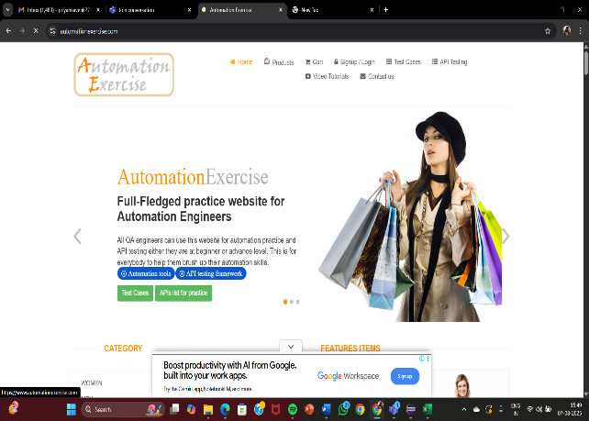 | pass
6 | TC_ECOM_WEBAPP_HOME_06 | To Verify and validate top navigation links on the home page | Home page loaded | 1. Open the website on any browser 2. Click top navigation links | https://www.automationexercise.com/ | Relevant category page should open properly | working as expected |  | pass
7 | TC_ECOM_WEBAPP_HOME_07 | To Verify and validate user login/logout | Home page loaded | 1. Click Login 2. Login and observe Logout link | https://www.automationexercise.com/, Username & Password | Login/Logout flow should work properly | working as expected | 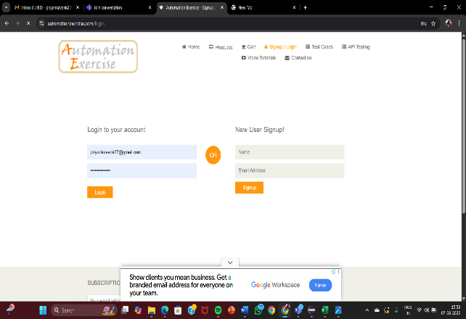 | pass
8 | TC_ECOM_WEBAPP_HOME_08 | To Verify and validate carousel/slider functionality on the home page | Home page loaded | 1. Open the site 2. Observe banner slider 3. Use navigation arrows(right or left arrow) | https://www.automationexercise.com/ | the user should be able to carousel scrolls automatically/manually | working as expected |  | pass
9 | TC_ECOM_WEBAPP_HOME_09 | To Verify and validate footer links/copyrights information on the home page | home page loaded | 1. Scroll to footer 2. View links/copyright info | https://www.automationexercise.com/ | The user should be able to view the copyright information | working as expected | 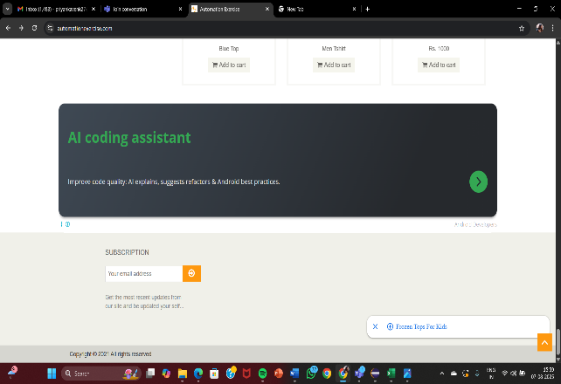 | pass
10 | TC_ECOM_WEBAPP_HOME_10 | To Verify and validate the responsiveness of the page | Home page loaded | 1. Open site on mobile or tablet | https://www.automationexercise.com/, Device with smaller screen or resize window | Layout should be able to adjust responsively | working as expected | 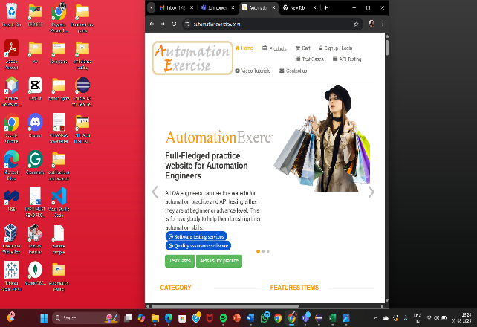 | pass
11 | TC_ECOM_WEBAPP_HOME_11 | To verify and validate the contact us icon availability and is in working condition | Home page loaded | 1.Open the site 2. Click contact us icon | https://www.automationexercise.com/,contact us icon | the contact us page opens successfully | working as expected | 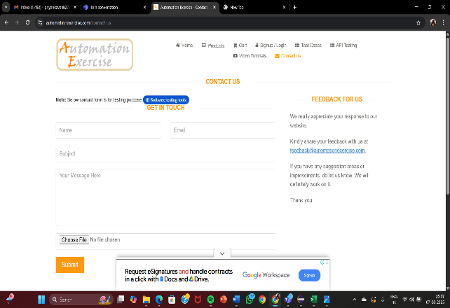 | pass
12 | TC_ECOM_WEBAPP_HOME_12 | To verify and validate the subscription icon availability and is in working condition | Home page loaded | 1.Open the site 2. Click on the subscription section and submit the email id | https://www.automationexercise.com/, email id | the email id gets submitted and the user should be able to subscribe to the contents | working as expected |  | pass
13 | TC_ECOM_WEBAPP_HOME_13 | To verify and validate the cart icon availability and is in working condition | Home page loaded | 1. Open the site 2. Click on the cart icon | https://www.automationexercise.com/,cart icon | Cart should open with added products or show empty cart | working as expected | 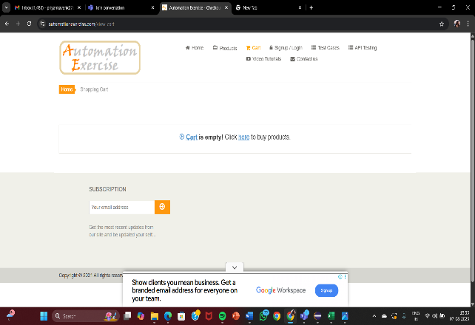 | pass
14 | TC_ECOM_WEBAPP_HOME_14 | To verify and validate the availability of product suggestion pop up and is in working condition | Home page loaded | 1.Open the site 2. click on the suggestion pop up | https://www.automationexercise.com/, suggestion pop ups | The pop ups should be displayed and suggest products to the user | working as expected | 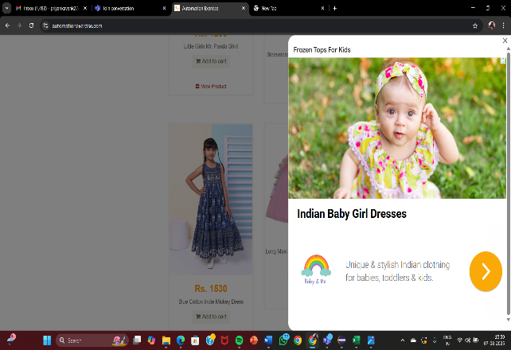 | pass
15 | TC_ECOM_WEBAPP_HOME_15 | To verify and validate the recommended items functionality on the home page | Home page loaded | 1.Open the site 2. click on any product in recommended items | https://www.automationexercise.com/ | should display the selected product | working as expected | 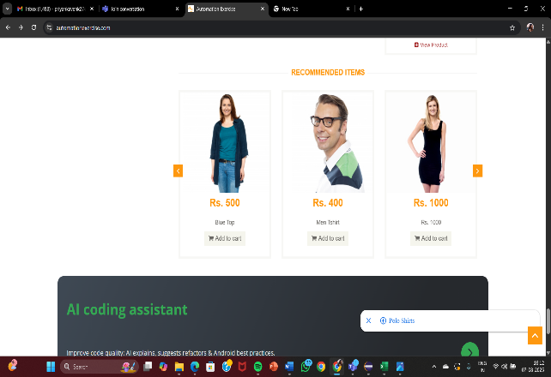 | pass
16 | TC_ECOM_WEBAPP_HOME_16 | To verify and validate the working of API testing icon on the home page | Home page loaded | 1.Open the site 2. click on the API testing icon | https://www.automationexercise.com/,API testing icon | the API testing icon should work properly and take the users to the appropriate page | working as expected | 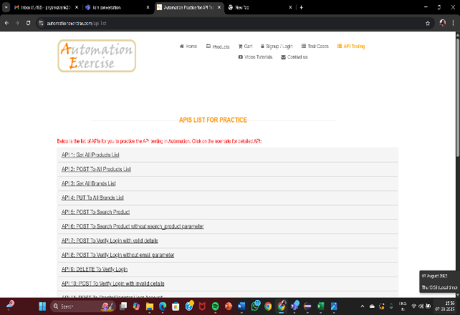 | pass
17 | TC_ECOM_WEBAPP_HOME_17 | To verify and validate the home icon availability and is in working condition | Home page loaded | 1.Open the site 2. click on the home icon | https://www.automationexercise.com/,home icon | the home icon should work properly and navigate the users to home page | working as expected |  | pass
18 | TC_ECOM_WEBAPP_HOME_18 | To verify and validate the test cases icon availability and is in working condition | Home page loaded | 1.Open the site 2. click on the test cases icon | https://www.automationexercise.com/,test cases icon | the test cases icon should work properly and navigate the user to appropriate page | working as expected | 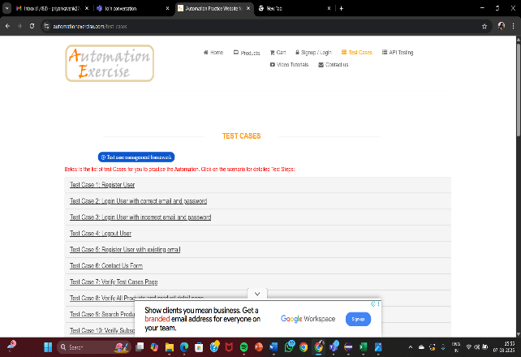 | pass
19 | TC_ECOM_WEBAPP_HOME_19 | To verify and validate the products icon availability and is in working condition | Home page loaded | 1.Open the site 2. click on the products icon | https://www.automationexercise.com/,products icon | the products icon should work properly and navigate the user to the appropriate page | working as expected | 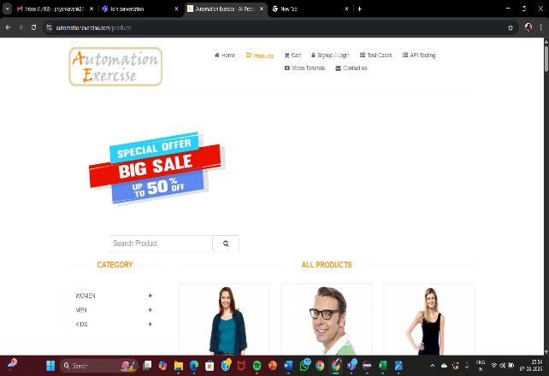 | pass
20 | TC_ECOM_WEBAPP_HOME_20 | To verify and validate the category availability and is in working condition | Home page loaded | 1.Open the site on any browser 2. click on any category (men/women/kids) | https://www.automationexercise.com/,category | The user should be able to view the selected category list of items | working as expected | 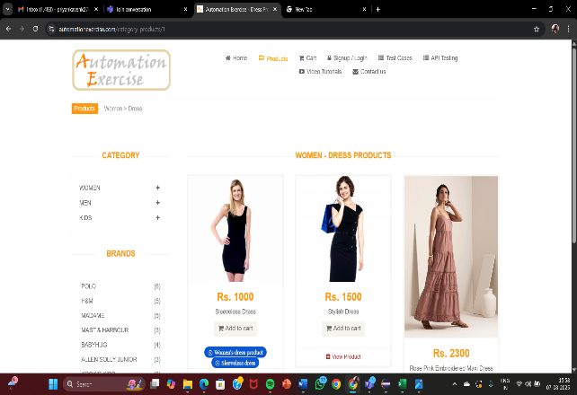 | pass
21 | TC_ECOM_WEBAPP_HOME_21 | To verify and validate the brands section availability and is in working condition | Home page loaded | 1.Open the site 2. click on any brand (POLO,H&M,ALLEN SOLLY) | https://www.automationexercise.com/,brands | The user should be able to view the selected brand list of items | working as expected | 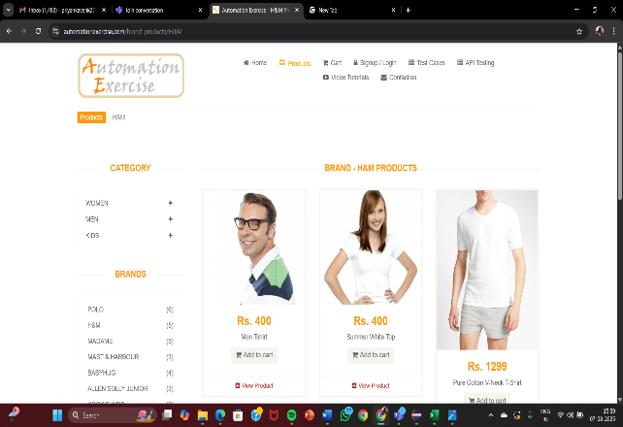 | pass
22 | TC_ECOM_WEBAPP_HOME_22 | To verify and validate the functionality of hovering over product thumbnails on the homepage. | Home page loaded | 1.Open the site 2.click on the home icon 3. Just hover the mouse pointer over any product | https://www.automationexercise.com/ | The user should be able to view the price and "add to cart " button when hovered | working as expected | 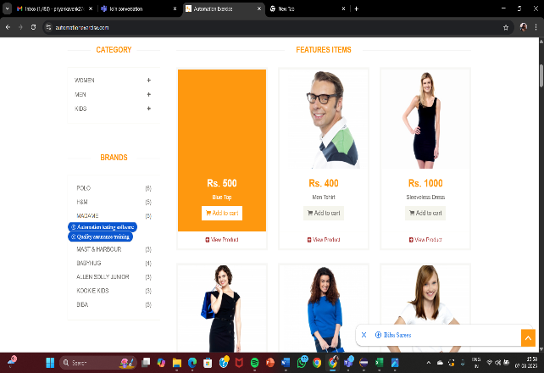 | pass
23 | TC_ECOM_WEBAPP_HOME_23 | To verify and validate the video tutorials icon availability and is in working condition | Home page loaded | 1.Open the site 2. Click on the video tutorials icon on the home page | https://www.automationexercise.com/,video tutorials icon | the video tutorials icon should be able to navigate the user to the appropriate page. | working as expected | 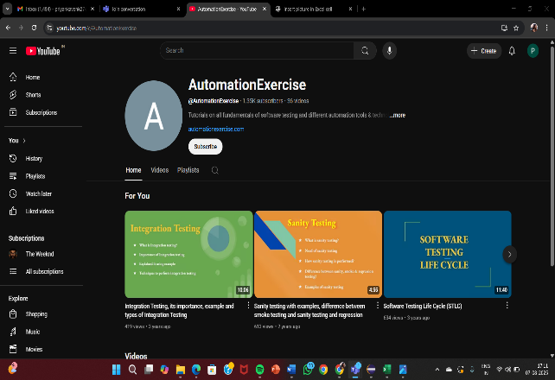 | pass
24 | TC_ECOM_WEBAPP_HOME_24 | To verify and validate the featured items section visibility | Home page loaded | 1.Open the site 2. view the featured items section | https://www.automationexercise.com/,featured items | the featured items section should be visible and displayed to the user | working as expected |  | pass
25 | TC_ECOM_WEBAPP_HOME_25 | To Verify and validate vertical scrolling on the login page | home page loaded | 1. Open the site 2. try to vertically scroll up and down | https://www.automationexercise.com/ | the user should be able to scroll vertically up and down | working as expected |  | pass
26 | TC_ECOM_WEBAPP_HOME_26 | To verify and validate the functionality of the "Scroll to Top" button | home page loaded | 1. Open the site 2. click on the home icon 3. search and use the scroll to top button | https://www.automationexercise.com/ search to top button | the user should be able to use the scroll to top button to go to the top of the web page | working as expected | 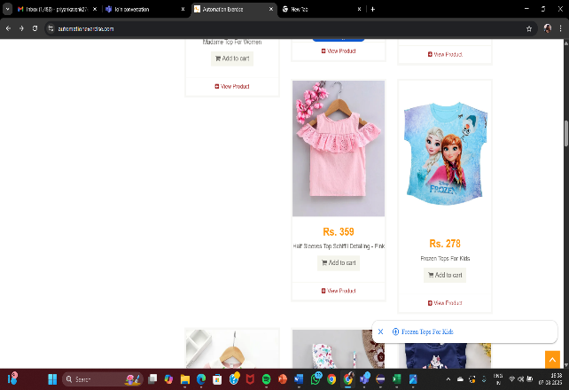 | pass

